grfinig
 | 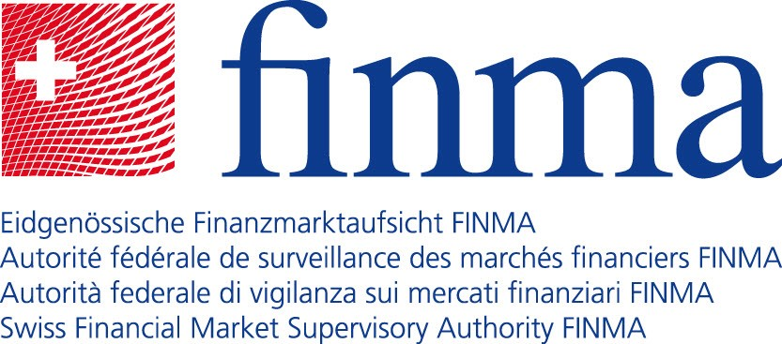

List of portfolio managers and trustees licensed and supervised by FINMA (domestic group companies under the FinIA)

Name |  | City
1903 Capital SA |  | 6900 | Lugano
ACATIS Fair Value Investment AG |  | 9428 | Walzenhausen
AIB Aquila Invest Basel AG |  | 4051 | Basel
AIZ Aquila Invest Zürich AG |  | 8001 | Zürich
Align Private Wealth AG |  | 8001 | Zürich
Alpha Kappa Financial Services SA |  | 1003 | Lausanne
Alpique Swiss Wealth Partners AG |  | 8001 | Zürich
amahoro ag |  | 8001 | Zürich
Ambassador Investment Partner AG |  | 4500 | Solothurn
Amos Finance AG |  | 8001 | Zürich
AMSS AG |  | 8001 | Zürich
Aquila & Partners AG |  | 4052 | Basel
Aquila Anlageberatung AG |  | 6300 | Zug
Aquila Associates Family Office AG |  | 8001 | Zürich
Aquila Balmoral AG |  | 8001 | Zürich
Aquila Basilea Wealth Management AG |  | 4052 | Basel
Aquila Confidentia AG |  | 9535 | Wilen b. Wil
Aquila DA AG |  | 8001 | Zürich
Aquila E&A Financial Consulting AG |  | 8807 | Freienbach
Aquila Finvision AG |  | 8832 | Wollerau
Aquila First Associates AG |  | 8001 | Zürich
Aquila Florentina Asset Management AG |  | 8001 | Zürich
Aquila GVM Consulting SA |  | 6900 | Lugano
Aquila Himco AG |  | 8001 | Zürich
Aquila IBWM AG |  | 6340 | Baar
Aquila Invest Geneva SA |  | 1204 | Genève
Aquila Investment Partner AG |  | 8001 | Zürich
Aquila Luzern Vermögensverwaltung AG |  | 6003 | Luzern
Aquila Momentum Invest AG |  | 8832 | Wollerau
Aquila Reiff & Rüegsegger AG |  | 4502 | Solothurn
Aquila Vermögensverwaltung Zürich AG |  | 8001 | Zürich
Aquila Wealth Management AG |  | 8808 | Pfäffikon SZ
Aquila, Weiss & Company AG |  | 8001 | Zürich
Aran Wealth AG |  | 4053 | Basel
Arise Partners AG |  | 8001 | Zürich
Armatus Family Office AG |  | 8001 | Zürich
ARP Vermögensverwaltungs AG |  | 8001 | Zürich
Artlana Wealth Management AG |  | 8001 | Zürich
Ascentus AG |  | 8001 | Zürich
Aspeco Partners AG |  | 8002 | Zürich
Atlantia Wealth Management SA |  | 1204 | Genève
Auenberg Capital AG |  | 8001 | Zürich
Bodewise Cottonfield Family Office AG |  | 8001 | Zürich
Brennwald & Partner AG |  | 8021 | Zürich 1
Bühler Vermögensverwaltung AG |  | 3706 | Leissigen
BV Trading Aquila SA |  | 6855 | Stabio
Capicura Partners AG |  | 8002 | Zürich
Clearmount AG |  | 6390 | Engelberg
ConnectAssets WM AG |  | 6300 | Zug
Cornerstone Capital AG |  | 6340 | Baar
Crossgate Finance AG |  | 8001 | Zürich
Dynawealth Management Ltd. |  | 1206 | Genève
EMJ Swiss Stocks AG |  | 3065 | Bolligen
Esfera Wealth AG |  | 8001 | Zürich
ETERNITY WEALTH PARTNERS GROUP AG |  | 8001 | Zürich
Family Partners Switzerland AG |  | 8001 | Zürich
Finanz- und Anlagezentrum Vierwaldstättersee AG |  | 6006 | Luzern
FINVEO Switzerland AG |  | 6300 | Zug
Gehrig & Partners AG |  | 9500 | Wil SG
Global Synergy WM SA |  | 6300 | Zug
Granat Vermögensverwaltungs AG |  | 4052 | Basel
Keller von Arx und Partner AG |  | 8001 | Zürich
Kellins AG |  | 8001 | Zürich
Montvalor Partners AG |  | 8001 | Zürich
My R Aquila Consultancy AG |  | 8001 | Zürich
Nimar Asset Management AG |  | 8008 | Zürich
Optimized Wealth Solutions AG |  | 8966 | Oberwil-Lieli
Patrimonial Independent AG |  | 8001 | Zürich
PPP Financial Consulting AG |  | 6004 | Luzern
PR1ME Aquila Partners AG |  | 8001 | Zürich
PrimeStone Partners AG |  | 8001 | Zürich
Riverfield AG |  | 8702 | Zollikon
Rosehill Advisers AG |  | 8001 | Zürich
Saba Asset Management AG |  | 8002 | Zürich
Sonnenberg Wealth Management AG |  | 8002 | Zürich
SPW Management AG |  | 8001 | Zürich
Strategic Swiss Advisors AG |  | 8832 | Wollerau
Swiss USAdvisors Ltd |  | 8001 | Zürich
Swiss Wealth Consulting AG |  | 8400 | Winterthur
Tintelnot, Aquila & Partners AG |  | 8001 | Zürich
Toledo Capital AG |  | 8002 | Zürich
Topaz Wealth AG |  | 8001 | Zürich
Torri Invest AG |  | 8700 | Küsnacht ZH
Treefield Partners AG |  | 6900 | Lugano
Unison Investments AG |  | 8001 | Zürich
Valorum Asset Management AG |  | 8834 | Schindellegi
Vardora Partners AG |  | 8001 | Zürich
VVBZ Vermögensverwaltung Brig Zermatt AG |  | 3920 | Zermatt
Wergen & Partner Vermögensverwaltungs AG |  | 8001 | Zürich

Total number of portfolio managers and trustees licensed and supervised by FINMA (domestic group companies under the FinIA): 89

